#150
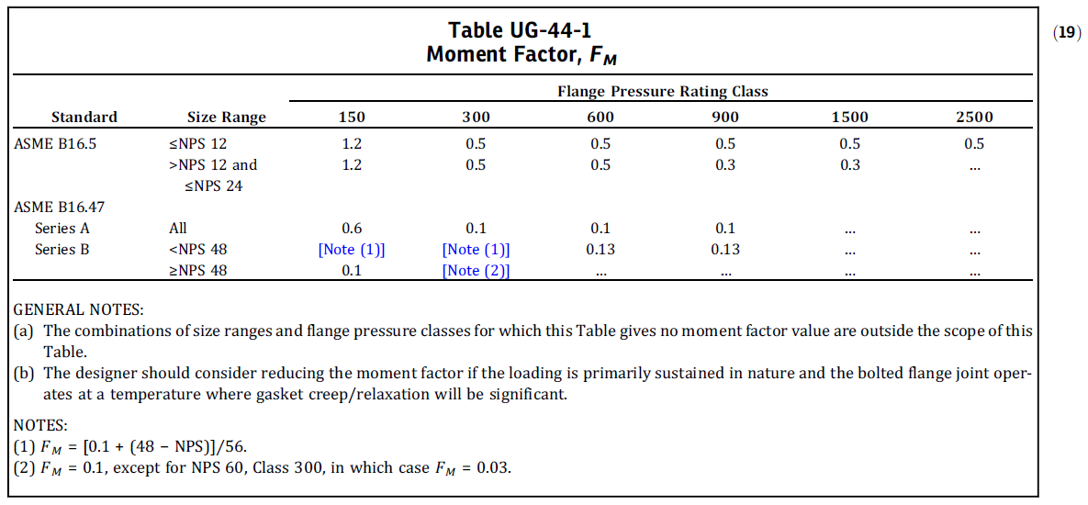
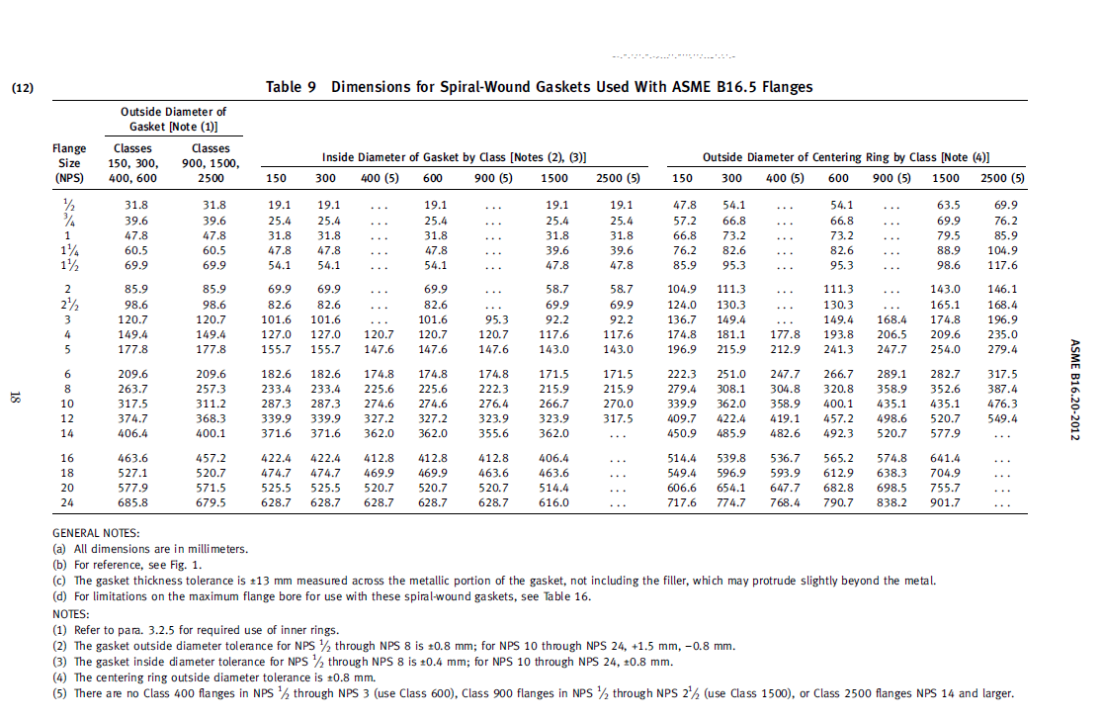
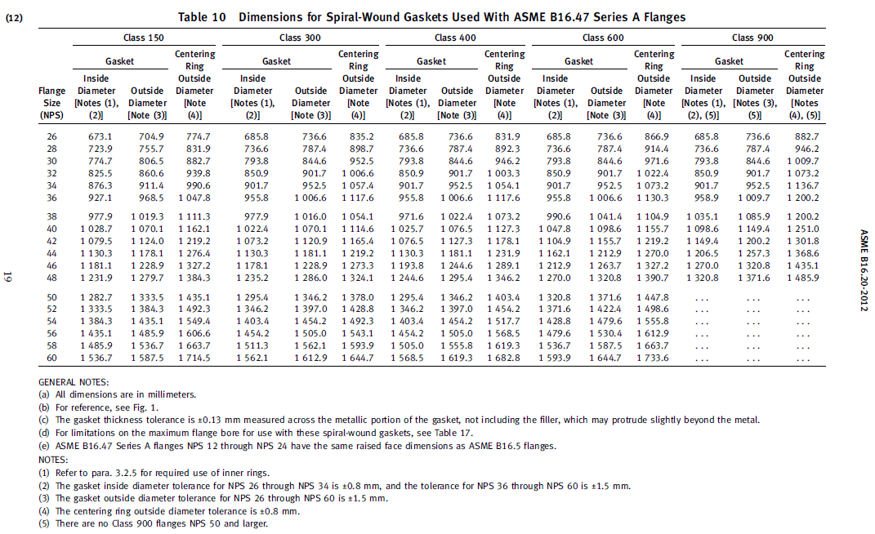
Flange Rating Verification as per ASME VIII Div.1 UG-44(b) |  |  |  |  |  |  |  |  |  |  |  |  |  |  |  |  |  | Updated on : |  | 28-Sep-21
 |  |  |  |  |  |  |  |  |  |  | Design Pressure (kPa) | 710
Rating 150 |  |  |  |  |  |  |  |  |  |  | Design Pressure+ Static Head (kPa) | 710 |  | Liquid Specific Gravity (SG) | 1 | Max. Liquid Height (m) | 0 | Static Head (kPa) |  | 0
SIZE | ME (KN-m) | ME (KN-m) Resolved | FE (KN) | G (m) | Gasket ID (mm) | Gasket OD (mm) | G (mm) | PR (KN/m2) | PD (KN/m2) | FM | LHS | RHS | Warning |  | UG-44 (b)
36 |  | 680.19 | 25.927 | 0.9886 |  |  | 988.6 | 3712.053 | 420.361 | 0.1 | 10985.533729 | 11112.613471 | OK |  |  |  |  | FM | Moment Factor (table UG-44-1)

26 | 45.3 | 64.06 | 22.1 | 0.689 | 673.1 | 704.9 | 689 | 1380 | 710 | 0.6 | 1085.92959 | 1538.5057622 | OK
28 | 48.8 | 69.01 | 23.8 | 0.7398 | 723.9 | 755.7 | 739.8 | 1380 | 710 | 0.6 | 1174.6469095 | 1904.5151967 | OK
30 | 52.3 | 73.96 | 25.5 | 0.7906 | 774.7 | 806.5 | 790.6 | 1380 | 710 | 0.6 | 1264.055109 | 2324.4054843 | OK
32 | 55.7 | 78.77 | 27.2 | 0.84305 | 825.5 | 860.6 | 843.05 | 1380 | 710 | 0.6 | 1352.0709668 | 2818.3924036 | OK
34 | 59.2 | 83.72 | 28.9 | 0.89385 | 876.3 | 911.4 | 893.85 | 1380 | 710 | 0.6 | 1442.8721463 | 3359.1963897 | OK
36 | 62.7 | 88.67 | 30.6 | 0.9478 | 927.1 | 968.5 | 947.8 | 1380 | 710 | 0.6 | 1534.7497658 | 4004.8990598 | OK
38 | 66.2 | 93.62 | 32.3 | 0.9986 | 977.9 | 1019.3 | 998.6 | 1380 | 710 | 0.6 | 1626.9541253 | 4683.992021 | OK
40 | 69.7 | 98.57 | 34 | 1.0494 | 1028.7 | 1070.1 | 1049.4 | 1380 | 710 | 0.6 | 1719.8493648 | 5435.8146657 | OK
48 | 83.6 | 118.23 | 40.8 | 1.2558 | 1231.9 | 1279.7 | 1255.8 | 1380 | 710 | 0.6 | 2096.598621 | 9315.4298045 | OK

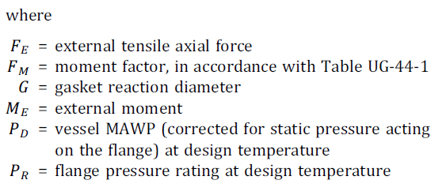
* | Input data shall be in Yellow cells only
 | Other Cells are automaticlly filled

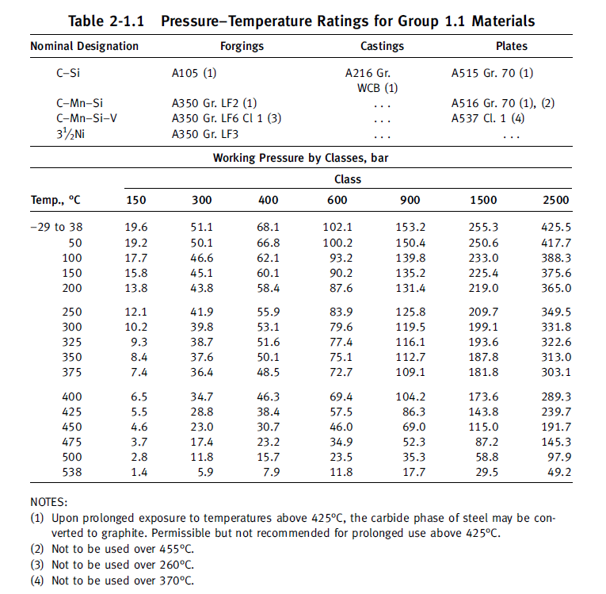
 |  |  |  |  |  |  |  |  | 462.24854018

PVlite report
